Yield Curve
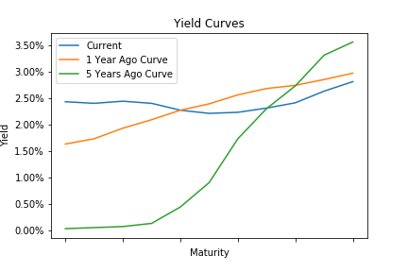
Treasury Yield Curve

 | Current | 1 Year Ago Curve | 1 Year Change | 5 Years Ago Curve | 5 Year Change
1 Mo | 2.43 | 1.63 | 0.8 | 0.03 | 2.4
3 Mo | 2.4 | 1.73 | 0.67 | 0.05 | 2.35
6 Mo | 2.44 | 1.93 | 0.51 | 0.07 | 2.37
1 Yr | 2.4 | 2.09 | 0.31 | 0.13 | 2.27
2 Yr | 2.27 | 2.27 | 0 | 0.44 | 1.83
3 Yr | 2.21 | 2.39 | -0.18 | 0.9 | 1.31
5 Yr | 2.23 | 2.56 | -0.33 | 1.73 | 0.5
7 Yr | 2.31 | 2.68 | -0.37 | 2.3 | 0.01
10 Yr | 2.41 | 2.74 | -0.33 | 2.73 | -0.32
20 Yr | 2.63 | 2.85 | -0.22 | 3.31 | -0.68
30 Yr | 2.81 | 2.97 | -0.16 | 3.56 | -0.75

Real Estate Nominal
 | Nominal Real Estate Returns

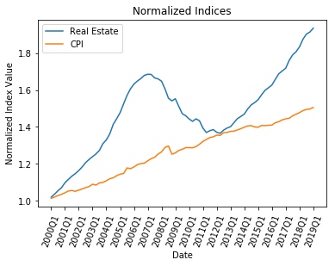
 | Quarter
Year |  | 1 | 2 | 3 | 4
 | 2000 | 1.9% | 1.6% | 1.8% | 1.5%
 | 2001 | 2.5% | 1.7% | 1.6% | 1.2%
 | 2002 | 1.4% | 1.7% | 2.0% | 1.4%
 | 2003 | 1.2% | 1.2% | 1.5% | 2.8%
 | 2004 | 1.6% | 2.4% | 3.8% | 2.1%
 | 2005 | 2.3% | 3.2% | 3.0% | 2.3%
 | 2006 | 1.6% | 1.0% | 0.8% | 1.0%
 | 2007 | 0.4% | -0.1% | -1.1% | -0.3%
 | 2008 | -0.7% | -2.5% | -3.2% | -0.9%
 | 2009 | 0.7% | -2.6% | -2.6% | -0.8%
 | 2010 | -1.2% | -0.9% | 1.0% | -0.7%
 | 2011 | -2.8% | -1.7% | 0.7% | 0.4%
 | 2012 | -1.1% | -0.4% | 1.3% | 0.8%
 | 2013 | 0.5% | 1.6% | 1.6% | 0.8%
 | 2014 | 0.9% | 1.9% | 1.4% | 0.8%
 | 2015 | 1.0% | 1.7% | 1.5% | 0.9%
 | 2016 | 0.9% | 1.9% | 1.8% | 0.9%
 | 2017 | 0.9% | 2.5% | 1.7% | 1.0%
 | 2018 | 1.5% | 2.2% | 1.5% | 0.6%
 | 2019 | 1.1%

Real Estate Adjusted
 | Adjusted Real Estate Returns

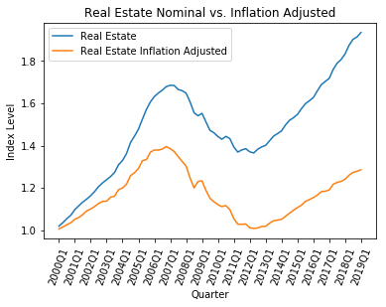
 | Quarter
Year |  | 1 | 2 | 3 | 4
 | 2000 | 0.6% | 0.9% | 1.0% | 1.0%
 | 2001 | 1.6% | 0.8% | 1.3% | 1.6%
 | 2002 | 0.8% | 1.1% | 1.3% | 0.9%
 | 2003 | 0.1% | 1.7% | 0.4% | 2.6%
 | 2004 | 0.7% | 1.5% | 3.3% | 1.1%
 | 2005 | 1.6% | 2.9% | 0.4% | 2.6%
 | 2006 | 0.8% | 0.0% | 0.3% | 0.9%
 | 2007 | -0.7% | -1.0% | -1.7% | -1.7%
 | 2008 | -1.7% | -4.3% | -3.8% | 2.6%
 | 2009 | 0.2% | -3.7% | -3.1% | -1.4%
 | 2010 | -1.2% | -0.8% | 0.5% | -1.7%
 | 2011 | -3.9% | -2.5% | -0.1% | 0.2%
 | 2012 | -1.7% | -0.3% | 0.2% | 0.7%
 | 2013 | 0.1% | 1.5% | 1.1% | 0.3%
 | 2014 | 0.3% | 1.4% | 1.3% | 1.4%
 | 2015 | 1.1% | 1.0% | 1.6% | 0.8%
 | 2016 | 0.8% | 1.0% | 1.4% | 0.2%
 | 2017 | 0.5% | 2.3% | 0.8% | 0.4%
 | 2018 | 0.8% | 1.5% | 1.1% | 0.4%
 | 2019 | 0.5%

